AW22(file)
Photo |  | Style | Color | Fabric | Distr Price | One size | 53 XS | 54 XS/S | 55 S | 56 S/M | 57 M | 58 M/L | 59 L | 60 L/XL | 61 XL | 62 XL/XXL | 63 XXL | total | € 14,191.98
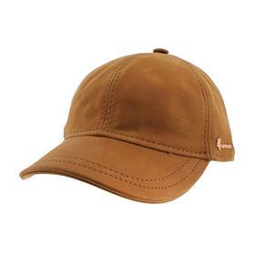 | KINGCognac | KING | Cognac | 100% Leather | € 27.24 | - |  |  |  | 0 | 3 | 4 | 5 | 1 | 2 |  |  | 15 | € 408.60
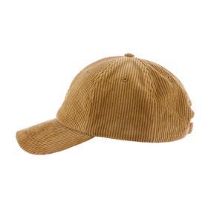 | HARTLEYBeige | HARTLEY | Beige | 100% Cotton | € 7.74 | 20 | - | - | - | - | - | - | - | - | - | - | - | 20 | € 154.80
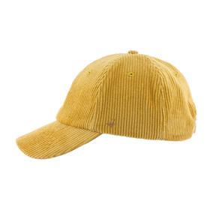 | HARTLEYMustard | HARTLEY | Mustard | 100% Cotton | € 7.74 | 12 | - | - | - | - | - | - | - | - | - | - | - | 12 | € 92.88
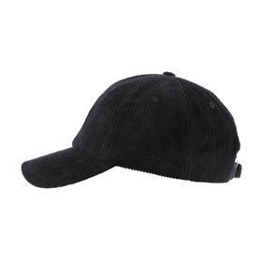 | HARTLEYBlack | HARTLEY | Black | 100% Cotton | € 7.74 | 70 | - | - | - | - | - | - | - | - | - | - | - | 70 | € 541.80
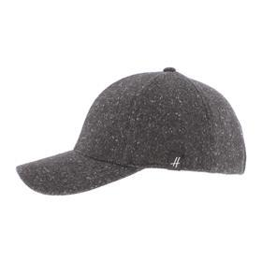 | BRUCECharcoal | BRUCE | Charcoal | 10% Cotton - 57% Polyester - 33% Acrylic | € 8.39 | 40 | - | - | - | - | - | - | - | - | - | - | - | 40 | € 335.60
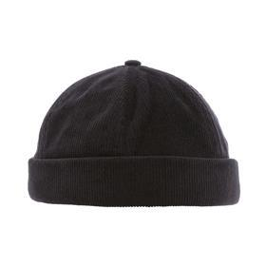 | WHALESBlack | WHALES | Black | 100% Corduroy Cotton | € 6.44 | 6 | - | - | - | - | - | - | - | - | - | - | - | 6 | € 38.64
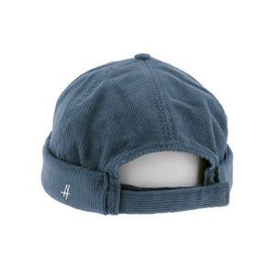 | WHALESNavy | WHALES | Navy | 100% Corduroy Cotton | € 6.44 | 3 | - | - | - | - | - | - | - | - | - | - | - | 3 | € 19.32
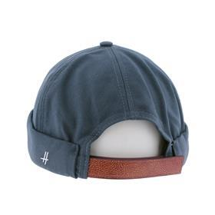 | SEALNavy | SEAL | Navy | 100% Cotton | € 6.44 | 6 | - | - | - | - | - | - | - | - | - | - | - | 6 | € 38.64
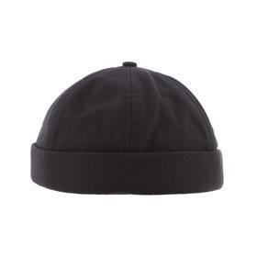 | SEALBlack | SEAL | Black | 100% Cotton | € 6.44 | 12 | - | - | - | - | - | - | - | - | - | - | - | 12 | € 77.28
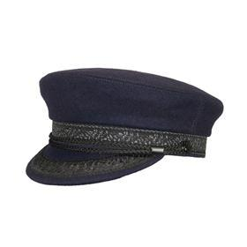 | GLAZICNavy | GLAZIC | Navy | 50% Wool - 50% Polyester | € 10.34 | - | - | - | 3 | - | 7 | - | 9 | - | 3 | - | - | 22 | € 227.48
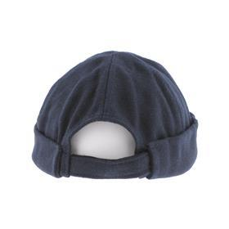 | TABARLYNavy | TABARLY | Navy | 50% Wool - 50% Polyester | € 6.44 | 4 | - | - | - | - | - | - | - | - | - | - | - | 4 | € 25.76
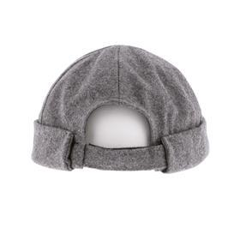 | TABARLYGrey | TABARLY | Grey | 50% Wool - 50% Polyester | € 6.44 | 4 | - | - | - | - | - | - | - | - | - | - | - | 4 | € 25.76
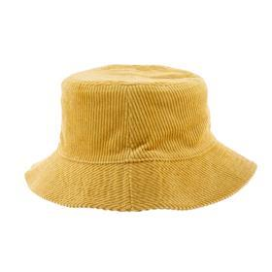 | KENDALMustard | KENDAL | Mustard | 100% Cotton | € 9.04 | - | - | - | - | - | 6 | - | 6 | - | - | - | - | 12 | € 108.48
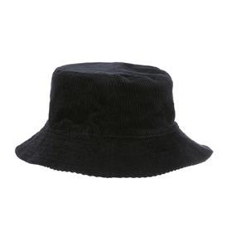 | KENDALBlack | KENDAL | Black | 100% Cotton | € 9.04 | - | - | - | - | - | 16 | - | 16 | - | - | - | - | 32 | € 289.28
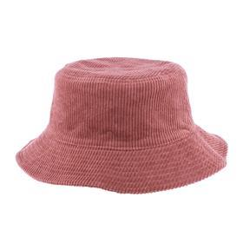 | KENDALOld pink | KENDAL | Old pink | 100% Cotton | € 9.04 | - | - | - | - | - | 6 | - | 6 | - | - | - | - | 12 | € 108.48
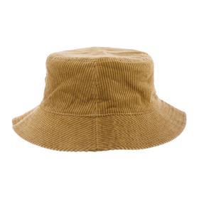 | KENDALBeige | KENDAL | Beige | 100% Cotton | € 9.04 | - | - | - | - | - | 6 | - | 6 | - | - | - | - | 12 | € 108.48
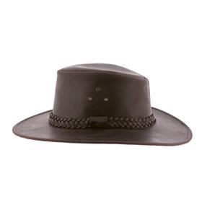 | AUSTRALIANBrown | AUSTRALIAN | Brown | 100% Buffalo Leather | € 23.34 | - | - | - | 0 | - | 0 | - | 3 | - | 4 | - | - | 7 | € 163.38
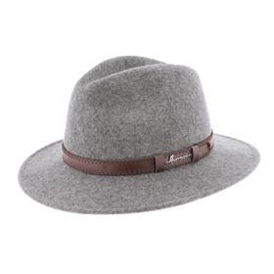 | MAC LORCAGrey | MAC LORCA | Grey | 100% Wool Felt | € 16.19 | - | - | - | 3 | - | 8 | - | 11 | - | 8 | - | - | 30 | € 485.70
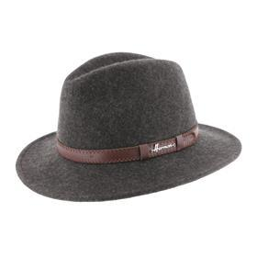 | MAC LORCACharcoal | MAC LORCA | Charcoal | 100% Wool Felt | € 16.19 | - | - | - | 6 | - | 11 | - | 22 | - | 16 | - | - | 55 | € 890.45
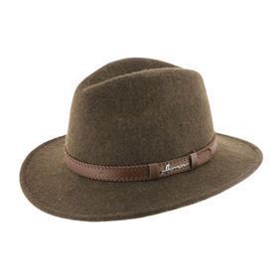 | MAC LORCABrown | MAC LORCA | Brown | 100% Wool Felt | € 16.19 | - | - | - | 3 | - | 6 | - | 9 | - | 9 | - | - | 27 | € 437.13
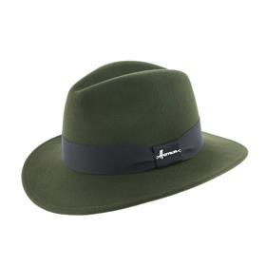 | MAC COYGreen | MAC COY | Green | 100% Wool Felt | € 14.24 | - | - | - | 2 | - | 2 | - | 7 | - | 6 | - | - | 17 | € 242.08
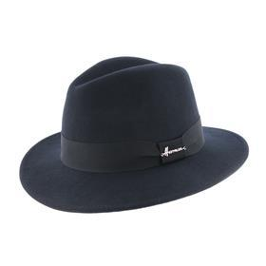 | MAC COYNavy | MAC COY | Navy | 100% Wool Felt | € 14.24 | - | - | - | 0 | - | 5 | - | 11 | - | 4 | - | - | 20 | € 284.80
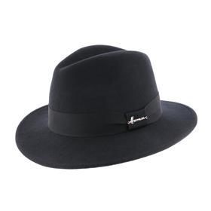 | MAC COYBlack | MAC COY | Black | 100% Wool Felt | € 14.24 | - | - | - | 4 | - | 17 | - | 19 | - | 14 | - | - | 54 | € 768.96
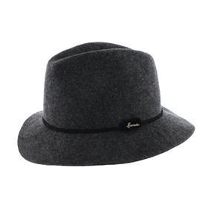 | MAC SOFTCharcoal | MAC SOFT | Charcoal | 100% Wool Felt | € 15.54 | - | - | - | 7 | - | 9 | - | 8 | - | 2 | - | - | 26 | € 404.04
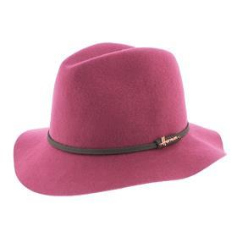 | MAC SOFTPink | MAC SOFT | Pink | 100% Wool Felt | € 15.54 | - | - | - | 5 | - | 7 | - | 4 | - | 0 | - | - | 16 | € 248.64
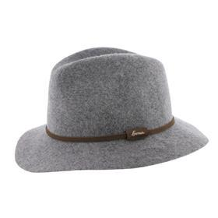 | MAC SOFTGrey | MAC SOFT | Grey | 100% Wool Felt | € 15.54 | - | - | - | 5 | - | 5 | - | 5 | - | 0 | - | - | 15 | € 233.10
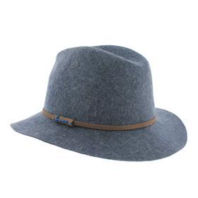 | MAC SOFTBlue | MAC SOFT | Blue | 100% Wool Felt | € 15.54 | - | - | - | 0 | - | 5 | - | 3 | - | 0 | - | - | 8 | € 124.32
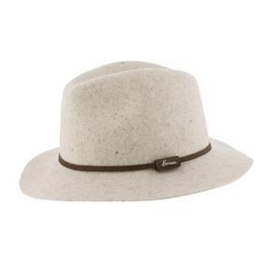 | MAC SOFTBeige | MAC SOFT | Beige | 100% Wool Felt | € 15.54 | - | - | - | 7 | - | 6 | - | 1 | - | 0 | - | - | 14 | € 217.56
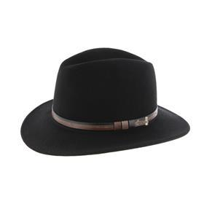 | MAC CARTHYBlack | MAC CARTHY | Black | 100% Wool Felt | € 14.89 | - | - | - | 18 | - | 40 | - | 45 | - | 25 | - | - | 128 | € 1,905.92
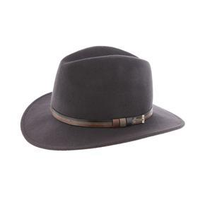 | MAC CARTHYCharcoal | MAC CARTHY | Charcoal | 100% Wool Felt | € 14.89 | - | - | - | 5 | - | 14 | - | 15 | - | 11 | - | - | 45 | € 670.05
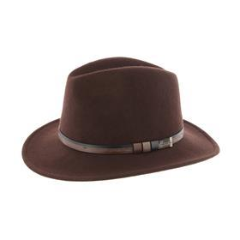 | MAC CARTHYBrown | MAC CARTHY | Brown | 100% Wool Felt | € 14.89 | - | - | - | 7 | - | 18 | - | 20 | - | 16 | - | - | 61 | € 908.29
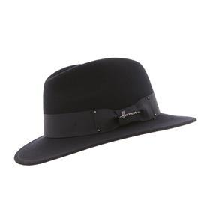 | MAC HAWKBlack | MAC HAWK | Black | 100% Wool Felt | € 12.94 | - | - | - | 19 | - | 26 | - | 40 | - | 15 | - | - | 100 | € 1,294.00
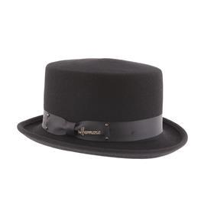 | DON VEGASBlack | DON VEGAS | Black | 100% Wool Felt | € 12.94 | - | - | - | - | - | 20 | - | 20 | - | - | - | - | 40 | € 517.60
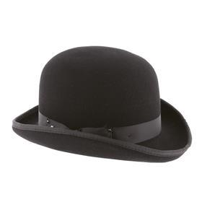 | DON CHURCHBlack | DON CHURCH | Black | 100% Wool Felt | € 14.24 | - | - | - | 3 | - | 4 | - | 5 | - | 3 | - | - | 15 | € 213.60
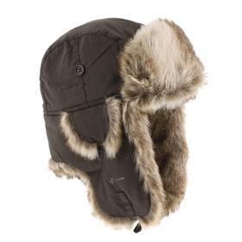 | BUCK 001Brown | BUCK 001 | Brown | 100% Polyester | € 9.69 | - | - | - | 2 | - | 16 | - | 24 | - | 16 | - | - | 58 | € 562.02
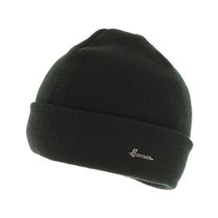 | EDMOND 019Black | EDMOND 019 | Black | 100% Acrylic | € 3.84 | 20 | - | - | - | - | - | - | - | - | - | - | - | 20 | € 76.80
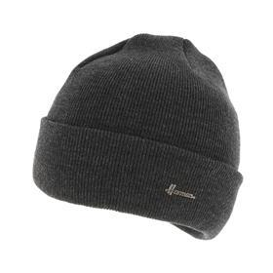 | EDMOND 019Charcoal | EDMOND 019 | Charcoal | 100% Acrylic | € 3.84 | 20 | - | - | - | - | - | - | - | - | - | - | - | 20 | € 76.80
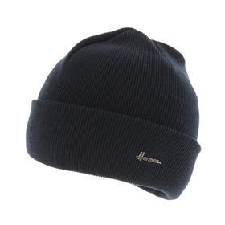 | EDMOND 019Navy | EDMOND 019 | Navy | 100% Acrylic | € 3.84 | 20 | - | - | - | - | - | - | - | - | - | - | - | 20 | € 76.80
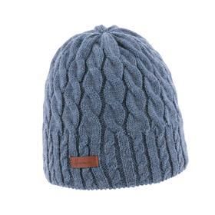 | EDMOND 088Denim | EDMOND 088 | Denim | 100% Acrylic | € 8.39 | 12 | - | - | - | - | - | - | - | - | - | - | - | 12 | € 100.68
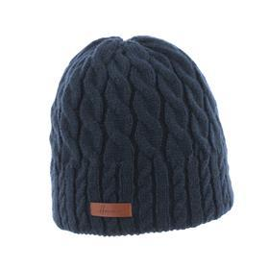 | EDMOND 088Navy | EDMOND 088 | Navy | 100% Acrylic | € 8.39 | 30 | - | - | - | - | - | - | - | - | - | - | - | 30 | € 251.70
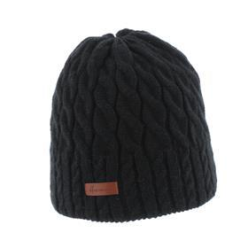 | EDMOND 088Black | EDMOND 088 | Black | 100% Acrylic | € 8.39 | 40 | - | - | - | - | - | - | - | - | - | - | - | 40 | € 335.60
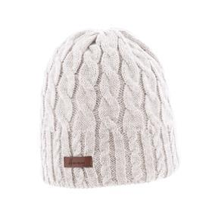 | EDMOND 088Offwhite | EDMOND 088 | Offwhite | 100% Acrylic | € 8.39 | 12 | - | - | - | - | - | - | - | - | - | - | - | 12 | € 100.68

